Bug Reports
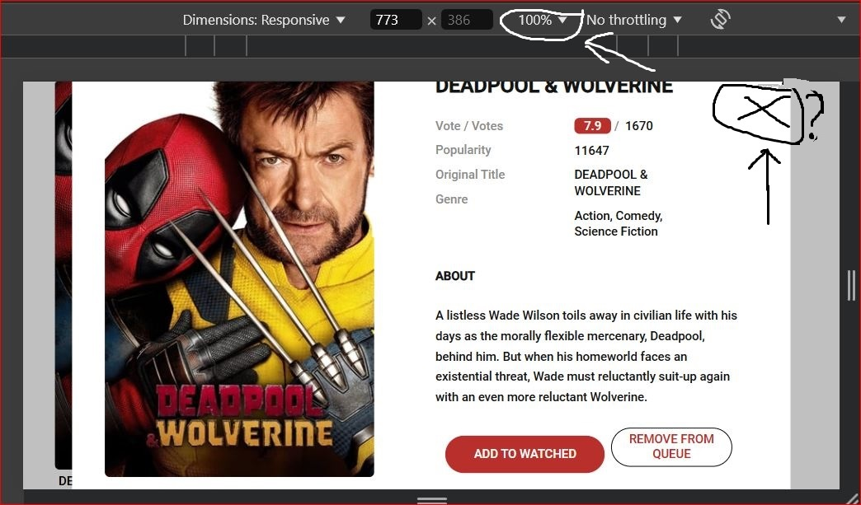
ID | #1. |  |  |  |  | #1.1
Reporter: | Volodymyr K. | Assignee: | developer | Status: | new
Type: | Functional | Severity: | Major | Priority: | Medium
Environment: | Google Chrome, version 127.0.6533.72 Windows 10 Version 22H2 DevTools
Summary: | Incorrect operation of the movie preview pop-up window.
Description: | The movie preview pop-up window of incorrect size opens on screens with zoom levels of 80%, 100%, and 110%.
 | The movie preview pop-up window on the "My Library" page opens with incorrect content.
Pre-conditions:
1 | The website page is opened. https://goitstudentsworks.github.io/js_70_melvinsz/library.html#
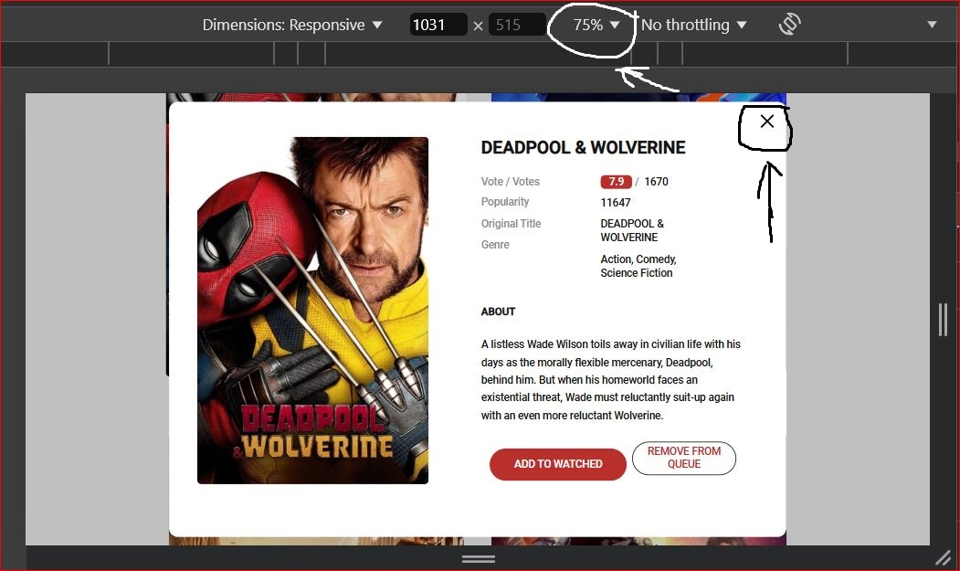
2 | Content from the "Home" page has been added to the "My Library" page after the 20th movie. |  |  |  |  | #1.2
3
Steps to reproduce:
1 | Open the movie preview pop-up window on the specified page with zoom levels of 80%, 100%, and 110%.
2 | Inspect the size of the pop-up window.
3 | Analyze the content of the pop-up window.
4
5
Actual result:
The movie preview pop-up window is the wrong size with incorrect content.

Expected result: |  |  |  |  |  | #1.3
The pop-up window with the movie preview is the correct size with the correct content. |  |  |  |  |  | https://drive.google.com/file/d/13vpdWTygFMyRmqSg5YO3dl1ISOKNz-rL/view?usp=sharing

Attachments: | #1.1 , #1.2, #1.3
Additional info:
This error reproduces on the following types of devices: Laptop, Tablet.

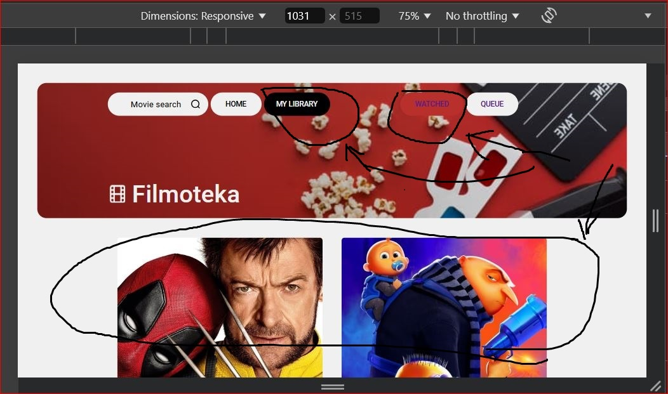
ID | #2 |  |  |  |  | #2.1
Reporter: | Volodymyr K. | Assignee: | developer | Status: | new
Type: | Functional | Severity: | Major | Priority: | Medium
Environment: | Google Chrome, version 127.0.6533.72 Windows 10 Version 22H2
Summary: | Incorrect highlighting of the buttons "Watched" and "Queue" on the "My Library" page.
Description: | When navigating to the "My Library" page, the "Watched" button is highlighted but the "Queue" section opens.

Pre-conditions:
1 | The website page is opened. https://goitstudentsworks.github.io/js_70_melvinsz/library.html#
2 | Different content from the "Home" page has been added to the "Watched" and "Queue" sections. |  |  |  |  | #2.2
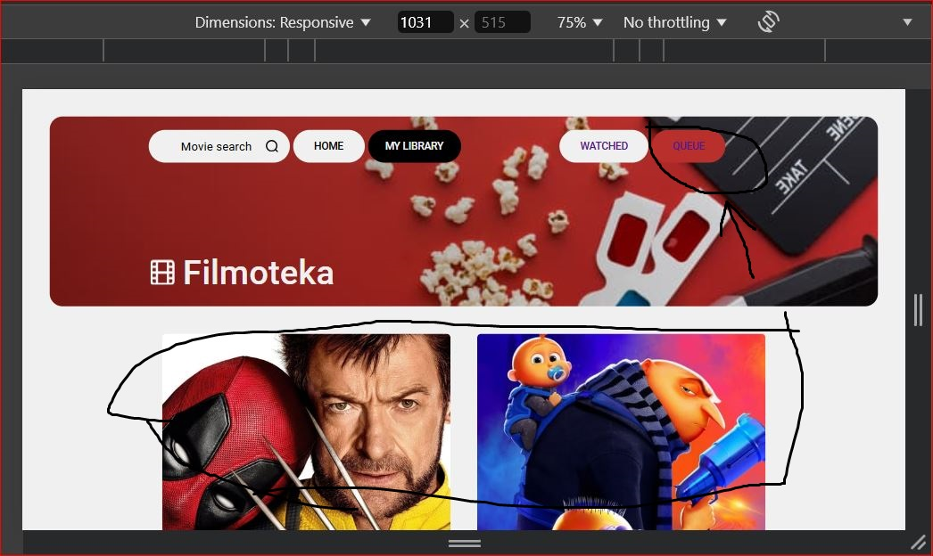
3
Steps to reproduce:
1 | Click on the "Queue" button on the "My Library" page.
2 | Check if the content in the section has changed.
3
4
5
Actual result:
When navigating to the "My Library" page, the "Watched" button is highlighted, but the "Queue" section opens.

Expected result:
When navigating to the "My Library" page, the "Queue" button is highlighted and the "Queue" section opens.

Attachments: | #2.1, #2.2
Additional info:
This error reproduces on all devices (Laptop, Tablet, Mobile).

ID | #3
Reporter: | Volodymyr K. | Assignee: | developer | Status: | new
Type: | Functional | Severity: | Major | Priority: | Medium
Environment: | Google Chrome, version 127.0.6533.72 Windows 10 Version 22H2
Summary: | The pop-up window with the development team list on the "My Library" page is not functioning correctly.
Description: | The pop-up window with the development team list on the "My Library" page does not open.

Pre-conditions:
1 | The website page is opened. https://goitstudentsworks.github.io/js_70_melvinsz/library.html#
2 | The "My Library" page has been scrolled to the footer.
3
Steps to reproduce:
1 | On the page footer, find the text with the link: "by GoIT Students".
2 | Click to check if the pop-up window with the development team list opens.
3
4
5
Actual result:
The pop-up window with the development team list does not open on the "My Library" page.

Expected result:
The pop-up window with the development team list opens on the "My Library" page.

Attachments: | https://drive.google.com/file/d/1LKJpwomVI5SbcxVNMc4qbtuKxhtuieLk/view?usp=sharing
Additional info:
This error reproduces on all devices (Laptop, Tablet, Mobile).

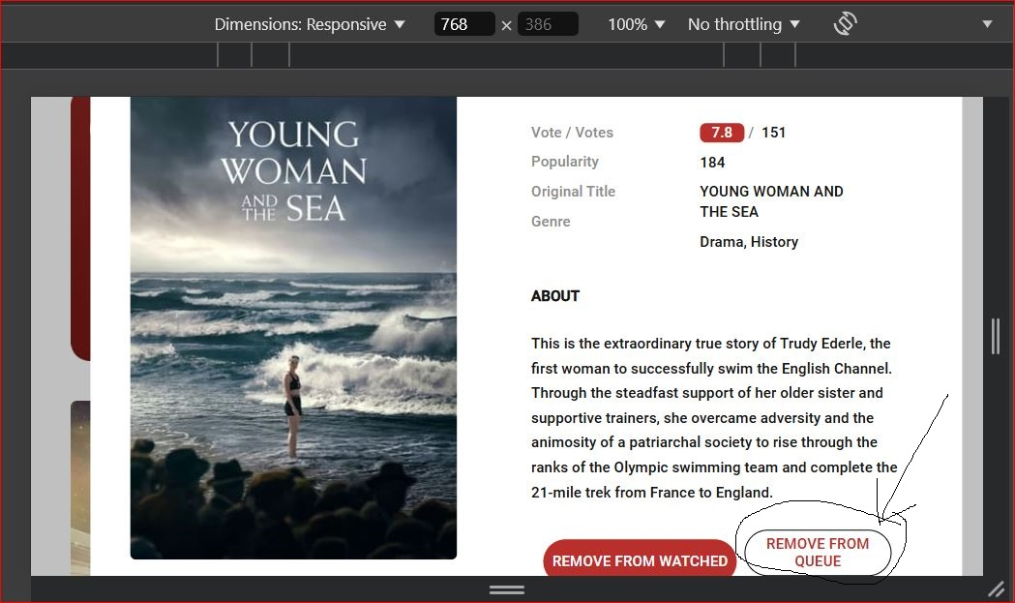
ID | #4 |  |  |  |  | #4.1
Reporter: | Volodymyr K. | Assignee: | developer | Status: | new
Type: | Functional | Severity: | Major | Priority: | Medium
Environment: | Google Chrome, version 127.0.6533.72 Windows 10 Version 22H2
Summary: | Incorrect functionality of buttons in the content preview pop-up window.
Description: | When adding content to the "Watched" section using the "Add to Watched" button in the pop-up window, the content is not removed from the "Queue" section and the corresponding "Add to Queue" button does not change.

Pre-conditions:
1 | The website page is opened. https://goitstudentsworks.github.io/js_70_melvinsz/library.html#
2 | The pop-up window with content is open.
3
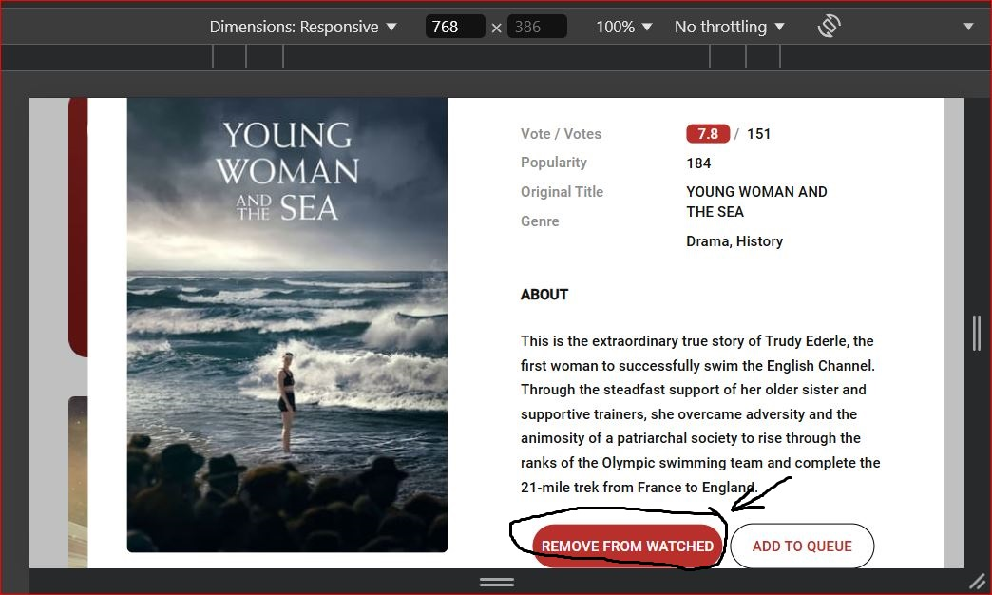
Steps to reproduce: |  |  |  |  |  | #4.2
1 | Click on the "Add to Watched" button in the pop-up window.
2 | Click on the "Add to Queue" button in the pop-up window.
3 | Check if the button "Add to Watched" has changed.
4
5
Actual result:
When adding content to the "Watched" section, the content is not removed from the "Queue" section in the pop-up window, and the corresponding button does not change.

Expected result:
When adding content to the "Watched" section, the content is removed from the "Queue" section in the pop-up window, and the corresponding button changes.

Attachments: | #4.1, #4.2.
Additional info:
This error reproduces on all devices (Laptop, Tablet, Mobile).

ID | #5 |  |  |  |  | #5 https://drive.google.com/file/d/1V5AW_YIpIrV6LlyAdHtB1StBJJx8q7Iw/view?usp=sharing
Reporter: | Volodymyr K. | Assignee: | developer | Status: | new
Type: | Functional | Severity: | Major | Priority: | Medium
Environment: | Google Chrome, version 127.0.6533.72 Windows 10 Version 22H2
Summary: | Incorrect display of notifications about the status of the "Watched" and "Queue" sections.
Description: | When completely removing content from the "Watched" and "Queue" sections, incorrect notifications are displayed

Pre-conditions:
1 | The website page is opened. https://goitstudentsworks.github.io/js_70_melvinsz/library.html#
2 | Several content objects from the "Home" page have been added to the "Watched" and "Queue" sections.
3
Steps to reproduce:
1 | Remove all content objects from the "Watched" and "Queue" sections.
2 | Monitor the display of notifications.
3
4
5
Actual result:
When completely removing content from the "Watched" and "Queue" sections, notifications are displayed indicating that the sections are not empty

Expected result:
When completely removing content from the "Watched" and "Queue" sections, notifications are displayed indicating that the sections are empty

Attachments: | #5
Additional info:
This error reproduces on all devices (Laptop, Tablet, Mobile).

